RTL
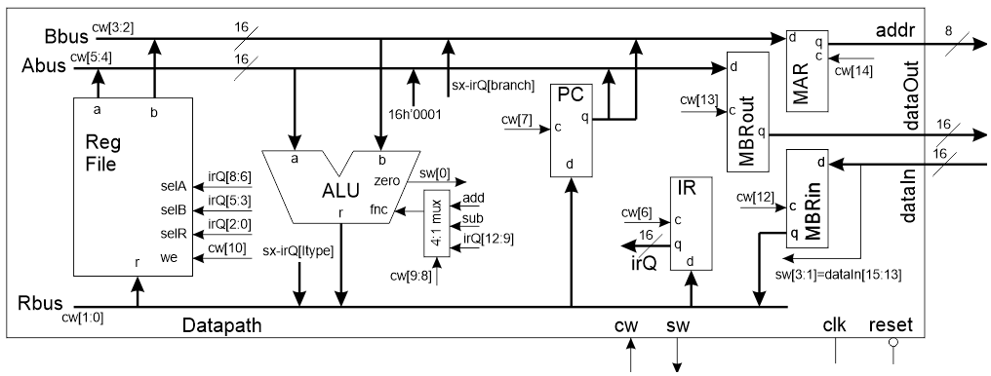

 | 14 | 13 | 12 | 11 | 10 | 9,8 | 7 | 6 | 5,4 | 3,2 | 1,0
Code | MAR | MBRout | MBRin | RAM WE | RF WE | ALU | PC | IR | ABUS | BBUS | RBUS
00 or 0 | hold | hold | hold | no write | No | IR[12:9] | Hold | Hold | RFa | RFb | MBR
1 |  |  |  |  |  |  |  |  | 0x01
10 |  |  |  |  |  | Sub |  |  |  | IR[BR] | IR[IMM]
11 or 1 | load | load | load | write | Write | Add | Load | Load | PC | PC | ALU

FETCH1 | 1 | 0 | 0 | 0 | 0 | 11 | 1 | 0 | 01 | 11 | 11 | localparam FETCH1_CW = 15'b100001110011111;
FETCH2 | 0 | 0 | 1 | 0 | 0 | 00 | 0 | 0 | 00 | 00 | 00 | localparam FETCH2_CW = 15'b001000000000000;
FETCH3 | 0 | 0 | 0 | 0 | 0 | 00 | 0 | 1 | 00 | 00 | 00 | localparam FETCH3_CW = 15'b000000001000000;
ALU_OP | 0 | 0 | 0 | 0 | 1 | 00 | 0 | 0 | 00 | 00 | 11 | localparam ALU_OP_CW = 15'b000010000000011;
LOAD_IMM | 0 | 0 | 0 | 0 | 1 | 00 | 0 | 0 | 00 | 00 | 10 | localparam LOAD_IMM_CW = 15'b000010000000010;
BEQ1 | 0 | 0 | 0 | 0 | 0 | 10 | 0 | 0 | 00 | 00 | 00 | localparam BEQ1_CW = 15'b000001000000000;
BEQ2 | 0 | 0 | 0 | 0 | 0 | 11 | 1 | 0 | 11 | 10 | 11 | localparam BEQ2_CW = 15'b000001110111011;
LOAD1 | 1 | 0 | 0 | 0 | 0 | 00 | 0 | 0 | 00 | 00 | 00 | localparam LOAD1_CW = 15'b100000000000000;
LOAD2 | 0 | 0 | 1 | 0 | 0 | 00 | 0 | 0 | 00 | 00 | 00 | localparam LOAD2_CW = 15'b001000000000000;
LOAD3 | 0 | 0 | 0 | 0 | 1 | 00 | 0 | 0 | 00 | 00 | 00 | localparam LOAD3_CW = 15'b000010000000000;
STORE1 | 1 | 1 | 0 | 0 | 0 | 00 | 0 | 0 | 00 | 00 | 00 | localparam STORE1_CW = 15'b110000000000000;
STORE2 | 0 | 0 | 0 | 1 | 0 | 00 | 0 | 0 | 00 | 00 | 00 | localparam STORE2_CW = 15'b000100000000000;

